JANUARY
Samvatsara: Shaka 1945 Shobhakruth Varusham
Solar month: Margazhi-Thai/Dhanur-Makara
Lunar month: Margasira - Paushya
JANUARY 2024
Sunday | Monday | Tuesday | Wednesday | Thursday | Friday | Saturday
 | 1 New Years Day | 2 | 3 | 4 | 5 | 6
 | PurvaPhalguni | UttaraPhalguni | Hasta until 02:20 AM Thu | Chitra until 04:16 AM Fri | Swati until 05:45 AM Sat | Visakha until 06:45 AM Sun
 | until 09:31 PM | until 12:03 AM Wed
 |  |  | Ashtami until 05:56 AM Thu | Navami until 07:19 AM Fri | Dashami until Full Night | Dashami until 08:14 AM
 | Sashti until 02:05 AM Tue | Saptami until 04:09 AM Wed
 | New Year Celebrations
7 | 8 | 9 | 10 Hanumath Jayanti | 11 Paushya Masam | 12 | 13 Bhogi
Anuradha | Jyeshta until 07:15 AM Tue | Mula until 06:50 AM Wed | PurvaAshada | UttaraAshada | Shravana | Dhanishta
until 07:15 AM Mon |  |  | until 06:01 AM Thu | until 04:53 AM Fri | until 03:29 AM Sat | until 01:56 AM Sun
 | Dwadashi until 08:31 AM | Trayodashi until 07:55 AM | Amavasya
Ekadashi until 08:38 AM |  | Chaturdashi | until 05:23 AM Thu | Pratipada | Dwitiya until 01:34 AM Sat | Tritiya until 11:20 PM
 | Pradosham | until 06:51 AM Wed | ● | until 03:36 AM Fri |  | Hanumath Jayanti Celebrations
14 Thai Masam | 15 ML King Day | 16 | 17 | 18 | 19 | 20
Shatabhisha | PurvaBhadrapada | UttaraBhadrapada | Revati until 07:35 PM | Ashwini until 06:23 PM | Bharani until 05:30 PM | Krithika until 04:59 PM
until 12:16 AM Mon | until 10:36 PM | until 09:01 PM
Pongal (Sankaranthi) |  |  | Saptami until 02:11 PM | Ashtami until 12:15 PM | Navami until 10:36 AM | Dashami until 09:19 AM
Chaturthi until 09:00 PM | Panchami until 06:38 PM | Sashti until 04:20 PM
Pongal Celebrations Ayyappa Irumudi Yatra |  | Sashti |  |  | Peepal Tree Prathishtapana Brahma, Vishnu, Siva | Peepal Tree Prathishtapana Brahma, Vishnu, Siva
21 | 22 | 23 | 24 O | 25 Thai Poosam | 26 | 27
Rohini until 04:53 PM | Mrigasirsha | Ardra until 06:10 PM | Punarvasu until 07:32 PM | Pushya until 09:23 PM | Aslesha until 11:36 PM | Magha until 02:05 AM Sun
 | until 05:17 PM
Ekadashi until 08:28 AM |  | Trayodashi until 08:12 AM | Chaturdashi until 08:50 AM | Purnima until 09:59 AM | Pratipada until 11:33 AM | Dwitiya until 01:29 PM
 | Dwadashi until 08:04 AM
Peepal Tree Prathishtapana Brahma, Vishnu, Siva | Pradosham |  | Satyanarayana Puja |  |  | Thai Poosam Celebrations
28 | 29 | 30 | 31
PurvaPhalguni | UttaraPhalguni | Hasta until Full Night | Hasta until 09:38 AM
until 04:42 AM Mon | until 07:16 AM Tue
 |  | Panchami until 07:48 PM | Sashti until 09:33 PM
Tritiya until 03:36 PM | Chaturthi until 05:47 PM
Sankatahara Chaturthi
January - Temple Event Highlights
New Year Celebrations
Pongal Celebrations
Prathishtapana of Brahma, Vishnu, Siva
under the Peepal Tree.
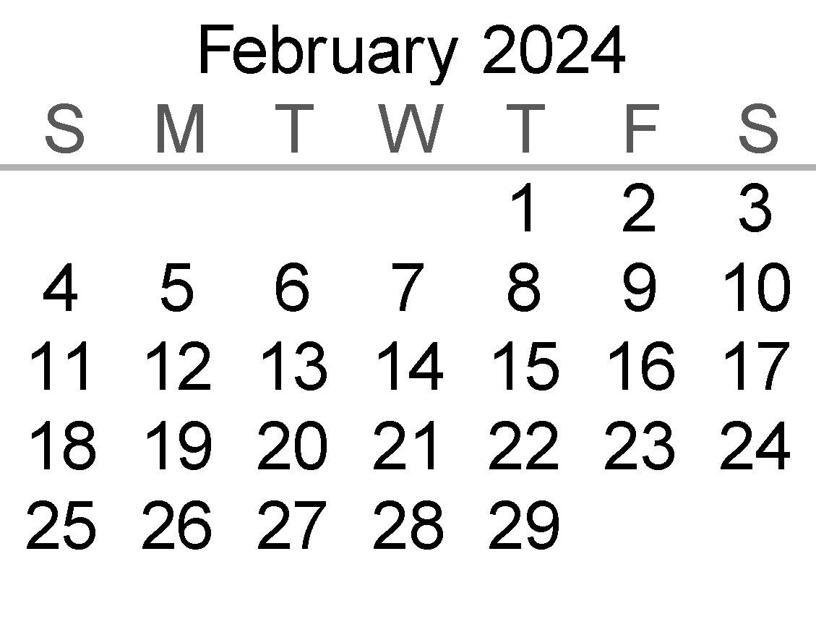
 |  |  |  |  | Notes: Calculations based on Vakya Panchangam
 |  |  |  |  | Maha Ganapati Temple of Arizona
 |  |  |  |  | Addr: 51293 W. Teel Road, Maricopa City, AZ 85139
 |  |  |  |  | Phone: (520)568-9881
 |  |  |  |  | Website: www.ganapati.org
 |  |  |  |  | www.facebook.com/Mahaganapati

FEBRUARY
Samvatsara: Shaka 1945 Shobhakruth Varusham
Solar month: Thai-Masi/Makara-Kumbha
Lunar month: Paushya - Magha
FEBRUARY 2024
Sunday | Monday | Tuesday | Wednesday | Thursday | Friday | Saturday
 |  |  |  | 1 | 2 | 3
 |  |  |  | Chitra until 11:39 AM | Swati until 01:14 PM | Visakha until 02:21 PM

 |  |  |  | Saptami until 10:53 PM | Ashtami until 11:45 PM | Navami until 12:05 AM Sun

4 | 5 | 6 | 7 | 8 | 9 | 10 Magha Masam
Anuradha until 02:57 PM | Jyeshta until 03:05 PM | Mula until 02:45 PM | PurvaAshada until 02:01 PM | UttaraAshada | Shravana until 11:37 AM | Dhanishta until 10:05 AM
 |  |  |  | until 12:57 PM
Dashami until 11:55 PM | Ekadashi until 11:15 PM | Dwadashi until 10:08 PM | Trayodashi until 08:38 PM |  | Amavasya until 04:44 PM | Pratipada until 02:29 PM
 |  |  |  | Chaturdashi until 06:49 PM
 |  |  | Pradosham |  | ●
11 | 12 | 13 Masi Masam | 14 | 15 | 16 | 17
Shatabhisha until 08:27 AM | UttaraBhadrapada | Revati until 03:41 AM Wed | Ashwini until 02:26 AM Thu | Bharani until 01:28 AM Fri | Krithika | Rohini until 12:39 AM Sun
PurvaBhadrapada | until 05:10 AM Tue |  |  |  | until 12:51 AM Sat
until 06:46 AM Mon |  | Chaturthi until 07:27 AM | Sashti until 03:22 AM Thu | Saptami until 01:44 AM Fri |  | Navami until 11:37 PM
Dwitiya until 12:08 PM | Tritiya until 09:45 AM | Panchami |  |  | Ashtami until 12:28 AM Sat
 |  | until 05:18 AM Wed | Sashti
18 | 19 Presidents Day | 20 | 21 | 22 | 23 Masi Magham O | 24
Mrigasirsha | Ardra until 01:42 AM Tue | Punarvasu | Pushya until 04:42 AM Thu | Aslesha until 06:51 AM Fri | Magha until Full Night | Magha until 09:17 AM
until 12:56 AM Mon |  | until 02:58 AM Wed
 | Ekadashi until 11:24 PM |  | Trayodashi | Chaturdashi | Purnima until 04:43 AM Sat | Pratipada
Dashami until 11:16 PM |  | Dwadashi | until 01:13 AM Thu | until 02:48 AM Fri |  | until 06:49 AM Sun
 |  | until 12:04 AM Wed | Pradosham |  | Satyanarayana Puja | Special Sri Nataraja Abhishekam
25 | 26 | 27 | 28 | 29
PurvaPhalguni | UttaraPhalguni | Hasta until 04:54 PM | Chitra until 07:00 PM | Swati until 08:42 PM
until 11:53 AM | until 02:29 PM
 |  | Tritiya until 10:57 AM | Chaturthi until 12:38 PM | Panchami until 01:55 PM
Dwitiya until Full Night | Dwitiya until 08:58 AM
 |  | Sankatahara Chaturthi
February - Temple Event Highlights
Masi Magham Special Sri Nataraja
Abhishekam
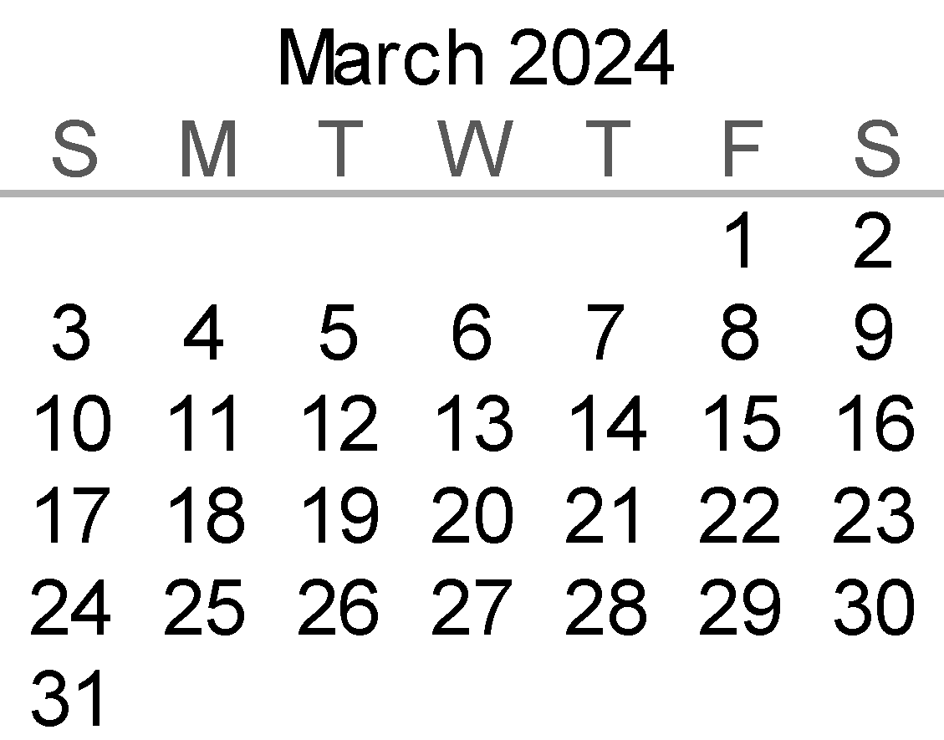
 |  |  |  |  | Notes: Calculations based on Vakya Panchangam
 |  |  |  |  | Maha Ganapati Temple of Arizona
 |  |  |  |  | Addr: 51293 W. Teel Road, Maricopa City, AZ 85139
 |  |  |  |  | Phone: (520)568-9881
 |  |  |  |  | Website: www.ganapati.org
 |  |  |  |  | www.facebook.com/Mahaganapati

MARCH
Samvatsara: Shaka 1945 Shobhakruth Varusham
Solar month: Masi-Panguni/Kumbha-Mina
Lunar month: Magha - Phalguna
MARCH 2024
Sunday | Monday | Tuesday | Wednesday | Thursday | Friday | Saturday
 |  |  |  |  | 1 | 2
 |  |  |  |  | Visakha until 09:56 PM | Anuradha until 10:39 PM

 |  |  |  |  | Sashti until 02:43 PM | Saptami until 03:00 PM

3 | 4 | 5 | 6 | 7 | 8 Sivaratri | 9
Jyeshta until 10:53 PM | Mula until 10:39 PM | PurvaAshada until 10:00 PM | UttaraAshada | Shravana until 07:44 PM | Dhanishta until 06:14 PM | Shatabhisha until 04:37 PM
 |  |  | until 09:00 PM
Ashtami until 02:46 PM | Navami until 02:03 PM | Dashami until 12:53 PM |  | Dwadashi until 09:28 AM | Trayodashi until 07:21 AM | Amavasya
 |  |  | Ekadashi until 11:20 AM |  | Chaturdashi | until 02:41 AM Sun
 |  |  |  | Pradosham | until 05:04 AM Sat Maha Sivaratri Utsav | ●
10 Phalguna Masam | 11 | 12 | 13 | 14 Panguni Masam | 15 | 16
PurvaBhadrapada | UttaraBhadrapada | Revati until 11:48 AM | Ashwini until 10:29 AM | Bharani until 09:26 AM | Krithika until 08:44 AM | Rohini until 08:27 AM
until 02:56 PM | until 01:18 PM
 |  | Tritiya until 07:48 PM | Chaturthi until 05:52 PM | Panchami until 04:14 PM | Sashti until 02:57 PM | Saptami until 02:06 PM
Pratipada | Dwitiya until 09:58 PM
until 12:17 AM Mon |  |  | Karadiyan Nombu |  | Sashti
17 | 18 | 19 | 20 | 21 | 22 | 23
Mrigasirsha | Ardra until 09:16 AM | Punarvasu until 10:25 AM | Pushya until 12:03 PM | Aslesha until 02:07 PM | Magha until 04:29 PM | PurvaPhalguni
until 08:37 AM |  |  |  |  |  | until 07:04 PM
 | Navami until 01:52 PM | Dashami until 02:31 PM | Ekadashi until 03:40 PM | Dwadashi until 05:13 PM | Trayodashi until 07:07 PM
Ashtami until 01:44 PM |  |  |  |  |  | Chaturdashi until 09:11 PM
 |  |  |  | Pradosham
24 O | 25 | 26 | 27 | 28 | 29 | 30
UttaraPhalguni | Hasta until 12:09 AM Tue | Chitra until 02:20 AM Wed | Swati until 04:08 AM Thu | Visakha until 05:28 AM Fri | Anuradha until Full Night | Anuradha until 06:19 AM
until 09:41 PM
Satyanarayana Puja | Pratipada | Dwitiya until 02:52 AM Wed | Tritiya until 04:05 AM Thu | Chaturthi | Panchami | Sashti until 04:48 AM Sun
Purnima until 11:17 PM | until 01:14 AM Tue |  |  | until 04:50 AM Fri | until 05:04 AM Sat
Panguni Uthiram Celebrations |  |  |  | Sankatahara Chaturthi
March - Temple Event Highlights
Maha Sivaratri Utsav
Panguni Uthiram Celebrations

31 |  |  |  |  | Notes: Calculations based on Vakya Panchangam
Jyeshta until 06:39 AM |  |  |  |  | Maha Ganapati Temple of Arizona
 |  |  |  |  | Addr: 51293 W. Teel Road, Maricopa City, AZ 85139
Saptami until 04:01 AM Mon |  |  |  |  | Phone: (520)568-9881
 |  |  |  |  | Website: www.ganapati.org
 |  |  |  |  | www.facebook.com/Mahaganapati

APRIL
Samvatsara: Shaka 1945 Shobhakruth Varusham & 1946 Krodhi Varusham
Solar month: Panguni -Chithirai/Mina-Mesha
Lunar month: Phalguna - Chaitra
APRIL 2024
Sunday | Monday | Tuesday | Wednesday | Thursday | Friday | Saturday
 | 1 | 2 | 3 | 4 | 5 | 6
 | Mula until 06:32 AM | UttaraAshada | Shravana | Dhanishta | Shatabhisha | PurvaBhadrapada
 | PurvaAshada | until 05:03 AM Wed | until 03:50 AM Thu | until 02:23 AM Fri | until 12:47 AM Sat | until 11:07 PM
 | until 05:58 AM Tue
 | Ashtami until 02:49 AM Tue | Navami until 01:14 AM Wed | Dashami until 11:20 PM | Ekadashi until 09:11 PM | Dwadashi until 06:52 PM | Trayodashi until 04:28 PM
 |  |  |  |  |  | Pradosham
7 | 8 | 9 Chaitra Masam | 10 | 11 | 12 | 13
UttaraBhadrapada | Revati until 07:55 PM | Ashwini until 06:33 PM | Bharani until 05:26 PM | Krithika until 04:39 PM | Rohini until 04:16 PM | Mrigasirsha
until 09:27 PM |  |  |  |  |  | until 04:19 PM
 | Amavasya until 11:42 AM | Pratipada until 09:30 AM | Dwitiya until 07:32 AM | Chaturthi | Panchami | Sashti until 03:18 AM Sun
Chaturdashi until 02:02 PM |  |  | Tritiya until 05:52 AM Thu | until 04:34 AM Fri | until 03:42 AM Sat | Sashti
 | ● | Ugadi Celebrations |  |  | Sarva Devatha Anugraha Vishwasanthi Maha Yagnam | Sarva Devatha Anugraha Vishwasanthi Maha Yagnam
14 Chithirai Masam | 15 | 16 Rama Navami | 17 | 18 | 19 | 20
Ardra until 04:51 PM | Punarvasu until 05:54 PM | Pushya until 07:25 PM | Aslesha until 09:23 PM | Magha until 11:42 PM | PurvaPhalguni | UttaraPhalguni
Saptami until 03:24 AM Mon |  |  |  |  | until 02:15 AM Sat | until 04:52 AM Sun
Sarva Devatha Anugraha Devata Yagna | Ashtami until 04:01 AM Tue | Navami until 05:08 AM Wed | Dashami until Full Night | Dashami until 06:39 AM |  | Pradosham
Vishwasanthi Maha Yagnam |  |  |  |  | Ekadashi until 08:30 AM | Dwadashi until 10:33 AM
Vishu & Tamil New Year Celebrations |  |  |  |  |  | Rama Navami Sita Rama Kalyana Vaibhavam
21 | 22 | 23 O | 24 | 25 | 26 | 27
Hasta until Full Night | Hasta until 07:23 AM | Chitra until 09:39 AM | Swati until 11:33 AM | Visakha until 12:59 PM | Anuradha until 01:57 PM | Jyeshta until 02:24 PM

Trayodashi until 12:36 PM | Chaturdashi until 02:30 PM | Purnima until 04:06 PM | Pratipada until 05:17 PM | Dwitiya until 06:01 PM | Tritiya until 06:12 PM | Chaturthi until 05:54 PM

 |  | Satyanarayana Puja |  |  | Sankatahara Chaturthi
28 | 29 | 30
Mula until 02:23 PM | PurvaAshada until 01:55 PM | UttaraAshada
 |  | until 01:05 PM
Panchami until 05:06 PM | Sashti until 03:53 PM
 |  | Saptami until 02:16 PM

April - Temple Event Highlights
Ugadi Celebrations
Rama Navami Grand Celebrations
Sita Rama Kalyana Vaibhavam
Samashti Sarva Devata Maha Yagna
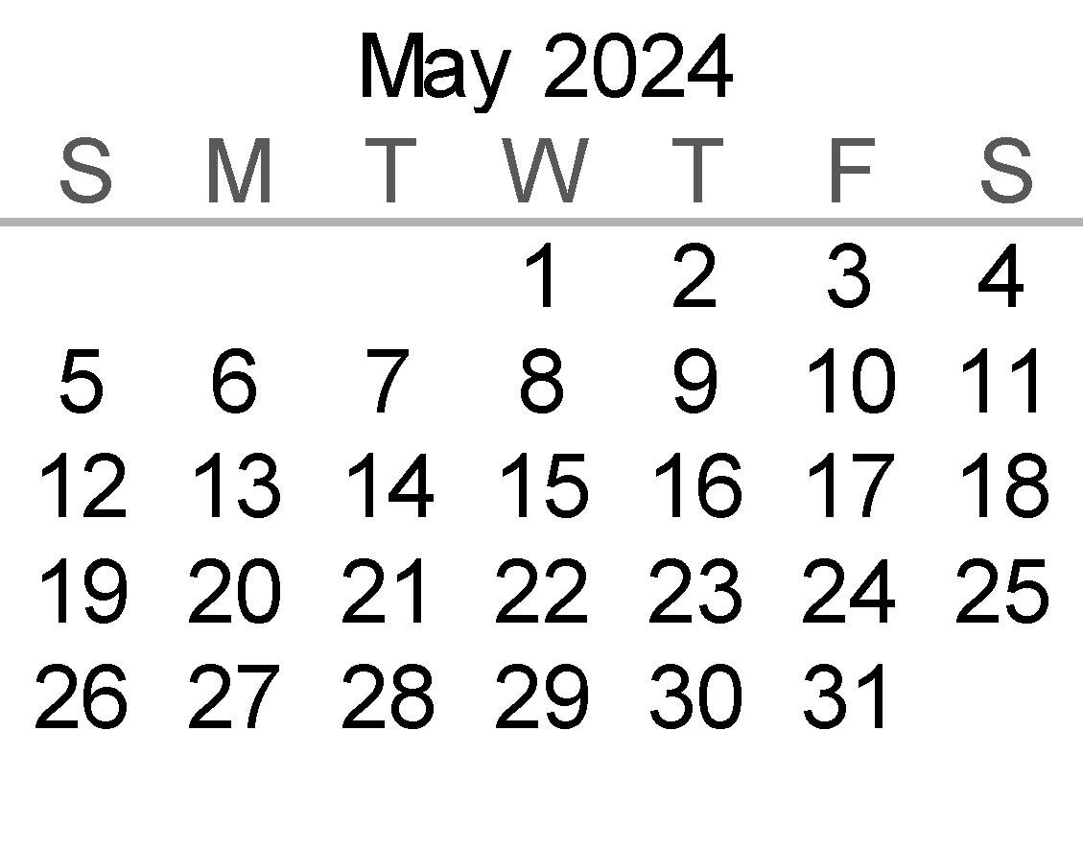
 |  |  |  |  | Notes: Calculations based on Vakya Panchangam
 |  |  |  |  | Maha Ganapati Temple of Arizona
 |  |  |  |  | Addr: 51293 W. Teel Road, Maricopa City, AZ 85139
 |  |  |  |  | Phone: (520)568-9881
 |  |  |  |  | Website: www.ganapati.org
 |  |  |  |  | www.facebook.com/Mahaganapati

MAY
Samvatsara: Shaka 1946 Krodhi Varusham
Solar month: Chithirai-Vaikasi/Mesha-Vrshabha
Lunar month: Chaitra - Vaisakha
MAY 2024
Sunday | Monday | Tuesday | Wednesday | Thursday | Friday | Saturday
 |  |  | 1 | 2 | 3 | 4
 |  |  | Shravana until 11:55 AM | Dhanishta until 10:31 AM | Shatabhisha until 08:57 AM | PurvaBhadrapada
 |  |  |  |  |  | until 07:17 AM
 |  |  | Ashtami until 12:20 PM | Navami until 10:10 AM | Dashami until 07:50 AM
 |  |  |  |  | Ekadashi | Dwadashi
 |  |  |  |  | until 05:23 AM Sat | until 02:56 AM Sun
5 | 6 | 7 | 8 Vaisakha Masam | 9 | 10 | 11
UttaraBhadrapada | Ashwini until 02:38 AM Tue | Bharani until 01:27 AM Wed | Krithika | Rohini until 12:06 AM Fri | Mrigasirsha | Ardra until 12:28 AM Sun
until 05:37 AM |  |  | until 12:35 AM Thu |  | until 12:03 AM Sat
Revati until 04:03 AM Mon | Chaturdashi until 10:21 PM | Amavasya until 08:21 PM |  | Dwitiya until 05:19 PM |  | Chaturthi until 03:57 PM
Trayodashi |  |  | Pratipada until 06:39 PM |  | Tritiya until 04:24 PM
until 12:34 AM Mon Pradosham |  | ● |  |  |  | Sankara Jayanti Ramanuja Jayanti
12 | 13 | 14 Vaikasi Masam | 15 | 16 | 17 | 18
Punarvasu | Pushya until 02:49 AM Tue | Aslesha until 04:41 AM Wed | Magha until Full Night | Magha until 06:56 AM | PurvaPhalguni | UttaraPhalguni
until 01:24 AM Mon |  |  |  |  | until 09:26 AM | until 12:03 PM
 | Sashti until 04:35 PM | Saptami until 05:39 PM | Ashtami until 07:07 PM | Navami until 08:55 PM
Panchami until 04:00 PM |  |  |  |  | Dashami until 10:55 PM | Ekadashi
 | Sashti |  |  |  |  | until 12:57 AM Sun Vasavi Jayanti
19 | 20 | 21 | 22 Vaikasi Visakham O | 23 | 24 | 25
Hasta until 02:37 PM | Chitra until 04:57 PM | Swati until 06:56 PM | Visakha until 08:29 PM | Anuradha until 09:34 PM | Jyeshta until 10:08 PM | Mula until 10:13 PM

Dwadashi | Trayodashi | Chaturdashi | Chaturdashi until 05:35 AM | Purnima until 06:17 AM | Pratipada until 06:28 AM | Dwitiya until 06:10 AM
until 02:49 AM Mon | until 04:24 AM Tue | until Full Night
 | Pradosham | Narasimha Jayanthi | Satyanarayana Puja |  |  | Vaikasi Visakham Celebrations
26 | 27 Memorial Day | 28 | 29 | 30 | 31
PurvaAshada until 09:51 PM | UttaraAshada | Shravana until 08:00 PM | Dhanishta until 06:38 PM | Shatabhisha until 05:06 PM | PurvaBhadrapada
 | until 09:05 PM |  |  |  | until 03:27 PM
Tritiya until 05:22 AM |  | Sashti until 12:35 AM Wed | Saptami until 10:23 PM | Ashtami until 08:02 PM
Chaturthi | Panchami |  |  |  | Navami until 05:35 PM
until 04:08 AM Mon Sankatahara Chaturthi | until 02:31 AM Tue
May - Temple Event Highlights
Sankara & Ramanuja Jayanti Celebrations
Vasavi Jayanti Celerbations
Vaikasi Visakham Celebrations
Narasimha Jayanthi
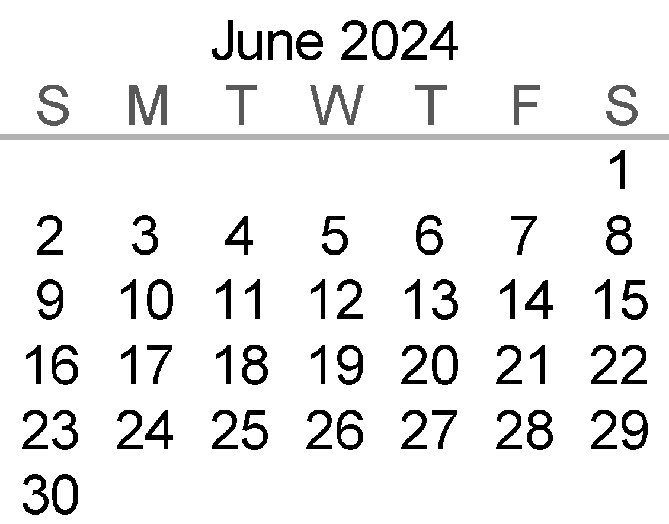
 |  |  |  |  | Notes: Calculations based on Vakya Panchangam
 |  |  |  |  | Maha Ganapati Temple of Arizona
 |  |  |  |  | Addr: 51293 W. Teel Road, Maricopa City, AZ 85139
 |  |  |  |  | Phone: (520)568-9881
 |  |  |  |  | Website: www.ganapati.org
 |  |  |  |  | www.facebook.com/Mahaganapati

JUNE
Samvatsara: Shaka 1946 Krodhi Varusham
Solar month: Vaikasi-Aani/Vrshabha-Mithuna
Lunar month: Vaisakha - Jyestha
JUNE 2024
Sunday | Monday | Tuesday | Wednesday | Thursday | Friday | Saturday
 |  |  |  |  |  | 1
 |  |  |  |  |  | UttaraBhadrapada
 |  |  |  |  |  | until 01:47 PM
 |  |  |  |  |  | Hanumath Jayanti
 |  |  |  |  |  | Dashami until 03:07 PM
 |  |  |  |  |  | Sundara Kanda Parayanam
2 | 3 | 4 | 5 | 6 | 7 Jyeshta Masam | 8
Revati until 12:11 PM | Ashwini until 10:43 AM | Bharani until 09:29 AM | Krithika until 08:32 AM | Rohini until 07:57 AM | Mrigasirsha | Ardra until 08:07 AM
 |  |  |  |  | until 07:48 AM
Ekadashi until 12:43 PM | Dwadashi until 10:28 AM | Trayodashi until 08:26 AM | Chaturdashi until 06:41 AM | Amavasya until 05:19 AM |  | Tritiya until 03:52 AM Sun
 |  |  |  | Pratipada | Dwitiya until 03:51 AM Sat
 | Pradosham |  | ● | until 04:21 AM Fri
9 | 10 | 11 | 12 | 13 | 14 | 15 Aani Masam
Punarvasu until 08:56 AM | Pushya until 10:14 AM | Aslesha until 12:00 PM | Magha until 02:10 PM | PurvaPhalguni | UttaraPhalguni | Hasta until 09:49 PM
 |  |  |  | until 04:38 PM | until 07:14 PM
Chaturthi | Panchami until Full Night | Panchami until 05:23 AM | Sashti until 06:49 AM |  |  | Navami until 12:33 PM
until 04:23 AM Mon |  |  |  | Saptami until 08:35 AM | Ashtami until 10:33 AM
 |  | Sashti
16 | 17 | 18 | 19 | 20 | 21 O | 22
Chitra until 12:13 AM Mon | Swati until 02:18 AM Tue | Visakha until 03:57 AM Wed | Anuradha | Jyeshta until Full Night | Jyeshta until 05:50 AM | Mula until 06:01 AM
 |  |  | until 05:08 AM Thu
Dashami until 02:25 PM | Ekadashi until 04:00 PM | Dwadashi until 05:11 PM |  | Chaturdashi until 06:07 PM | Purnima until 05:49 PM | Pratipada until 05:03 PM
 |  |  | Trayodashi until 05:55 PM
 |  | Pradosham |  |  | Satyanarayana Puja
23 | 24 | 25 | 26 | 27 | 28 | 29
PurvaAshada until 05:45 AM | Shravana | Dhanishta | Shatabhisha | PurvaBhadrapada | UttaraBhadrapada | Revati until 08:19 PM
UttaraAshada | until 04:03 AM Tue | until 02:45 AM Wed | until 01:15 AM Thu | until 11:38 PM | until 09:57 PM
until 05:05 AM Mon |  |  |  |  |  | Navami until 12:24 AM Sun
Dwitiya until 03:50 PM | Tritiya until 02:13 PM | Chaturthi until 12:18 PM | Panchami until 10:07 AM | Sashti until 07:45 AM | Ashtami until 02:49 AM Sat
 | Sankatahara Chaturthi |  |  | Saptami until 05:18 AM Fri
June - Temple Event Highlights
Hanumath Jayanti Sundara Kanda Parayanam

30 |  |  |  |  | Notes: Calculations based on Vakya Panchangam
Ashwini until 06:49 PM |  |  |  |  | Maha Ganapati Temple of Arizona
 |  |  |  |  | Addr: 51293 W. Teel Road, Maricopa City, AZ 85139
Dashami until 10:08 PM |  |  |  |  | Phone: (520)568-9881
 |  |  |  |  | Website: www.ganapati.org
 |  |  |  |  | www.facebook.com/Mahaganapati

JULY
Samvatsara: Shaka 1946 Krodhi Varusham
Solar month: Aani-Aadi/Mithuna-Karka
Lunar month: Jyestha - Ashadha
JULY 2024
Sunday | Monday | Tuesday | Wednesday | Thursday | Friday | Saturday
 | 1 | 2 | 3 | 4 Independance Day | 5 | 6 Ashadha Masam
 | Bharani until 05:32 PM | Krithika until 04:31 PM | Rohini until 03:51 PM | Mrigasirsha | Ardra until 03:47 PM | Punarvasu until 04:29 PM
 |  |  |  | until 03:35 PM
 | Ekadashi until 08:04 PM | Dwadashi until 06:17 PM | Trayodashi until 04:52 PM | Chaturdashi until 03:52 PM | Amavasya until 03:20 PM | Pratipada until 03:17 PM

 |  | Pradosham |  |  | ●
7 | 8 | 9 | 10 | 11 | 12 Aani Tirumanjanam | 13
Pushya until 05:41 PM | Aslesha until 07:21 PM | Magha until 09:26 PM | PurvaPhalguni | UttaraPhalguni | Hasta until 05:02 AM Sat | Chitra Full Night
 |  |  | until 11:50 PM | until 02:25 AM Fri
Dwitiya until 03:45 PM | Tritiya until 04:43 PM | Chaturthi until 06:07 PM |  |  | Saptami until 11:49 PM | Ashtami until 01:41 AM Sun
 |  |  | Panchami until 07:51 PM | Sashti until 09:48 PM
 |  |  |  | Sashti |  | Aani Tirumanjanam Celebrations
14 | 15 | 16 Aadi Masam | 17 | 18 | 19 | 20 O
Chitra until 07:29 AM | Swati until 09:38 AM | Visakha until 11:24 AM | Anuradha | Jyeshta until 01:30 PM | Mula until 01:48 PM | PurvaAshada
 |  | Sudarsana Jayanthi | until 12:42 PM |  |  | until 01:39 PM
Navami until 03:18 AM Mon | Dashami until 04:31 AM Tue | Ekadashi |  | Trayodashi until 5:17 AM Fri | Chaturdashi | Satyanarayana Puja
 |  | until 05:17 AM Wed | Dwadashi Full Night |  | until 04:32 AM Sat | Pournami until 03:21 AM Sun
 |  |  |  | Pradosham |  | Sudarsana Jayanti Celebrations
21 | 22 | 23 | 24 | 25 | 26 | 27
UttaraAshada | Shravana | Dhanishta until 11:22 PM | Shatabhisha until 09:24 AM | PurvaBhadrapada | UttaraBhadrapada | Ashwini
until 01:03 PM | until 12:06 PM |  |  | until 07:48 AM | until 06:07 AM | until 2:56 AM Sun
 |  | Tritiya until 09:43 PM | Chaturthi until 07:23 PM
Pratipada | Dwitiya until 11:52 PM |  |  | Panchami until 04:56 PM | Sashti until 02:27 PM | Saptami until 12:02 PM
until 01:47 AM Mon |  |  | Sankatahara Chaturthi |  |  | Aadi Krithigai Celebrations
28 | 29 Aadi Krithigai | 30 | 31
Bharani until 01:36 AM Mon | Krithika until 12:30 AM Tue | Rohini until 11:45 PM | Mrigasirsha until 11:23 PM

Ashtami until 09:45 AM | Navami until 07:41 AM | Dashami until 05:53 AM | Dwadashi
 |  |  | until 03:25 AM Thu

July - Temple Event Highlights
Aani Thirumanjanam Celebrations
Sudarsana Jayanthi Celebrations
Aadi Krithigai Celebrations
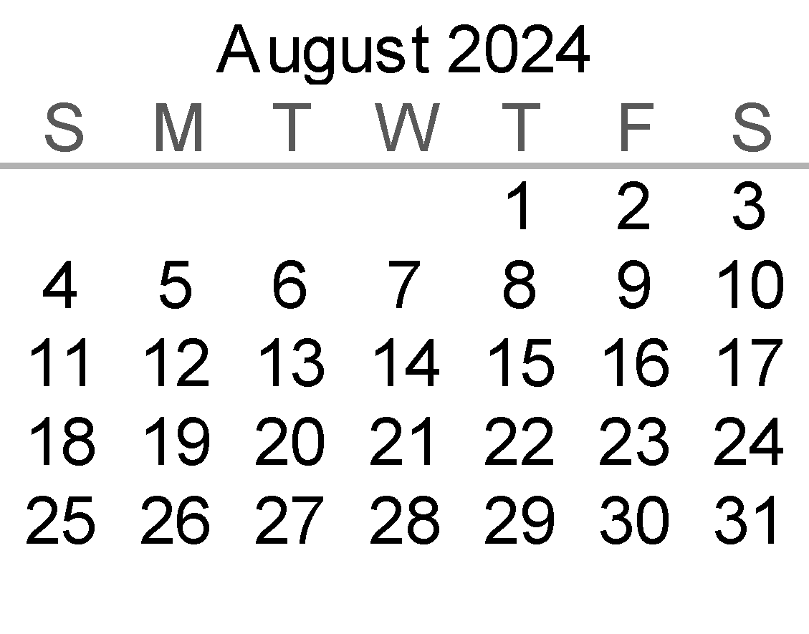
 |  |  |  |  | Notes: Calculations based on Vakya Panchangam
 |  |  |  |  | Maha Ganapati Temple of Arizona
 |  |  |  |  | Addr: 51293 W. Teel Road, Maricopa City, AZ 85139
 |  |  |  |  | Phone: (520)568-9881
 |  |  |  |  | Website: www.ganapati.org
 |  |  |  |  | www.facebook.com/Mahaganapati

AUGUST
Samvatsara: Shaka 1946 Krodhi Varusham
Solar month: Aadi-Avani/Karka-Simha
Lunar month: Ashadha - Sravana
AUGUST 2024
Sunday | Monday | Tuesday | Wednesday | Thursday | Friday | Saturday
 |  |  |  | 1 | 2 | 3
 |  |  |  | Ardra until 11:29 PM | Punarvasu until 12:04 AM | Pushya
 |  |  |  |  |  | until 01:09 AM Sun
 |  |  |  | Trayodashi | Chaturdashi until 02:47 AM | Amavasya
 |  |  |  | until 02:51 AM Fri |  | until 03:14 AM Sun
 |  |  |  | Pradosham |  | ● Aadi Pooram Celebrations
4 Sravana Masam | 5 | 6 Aadi Pooram | 7 | 8 | 9 | 10
Aslesha | Magha until 04:42 AM Tue | PurvaPhalguni | PurvaPhalguni | UttaraPhalguni | Hasta until 12:13 PM | Chitra until 02:43 PM
until 02:45 AM Mon |  | full night | until 07:03 AM | until 09:36 AM
Pratipada | Dwitiya | Tritiya |  |  | Panchami until 11:17 AM | Sashti until 01:11 PM
until 04:11 AM Mon | until 05:33 AM Tue | full night | Tritiya until 07:17 AM | Chaturthi until 09:15 AM
 |  |  |  |  | Naga Panchami | Sashti
11 | 12 | 13 | 14 | 15 | 16 | 17 Avani Masam
Swati until 04:58 PM | Visakha until 06:49 PM | Anuradha until 08:14 PM | Jyeshta until 09:09 PM | Mula until 09:34 PM | PurvaAshada until 09:30 PM | UttaraaAshada
 |  |  |  |  |  | until 09:01 PM
Saptami until 02:50 PM | Ashtami until 04:06 PM | Navami until 04:55 PM | Dashami until 05:13 PM | Ekadashi | Dwadashi | Trayodashi
 |  |  |  | until 05:01 PM | until 04:19 PM | until 03:11 PM
 |  |  |  |  | Varalakshmi Vratham | Pradosham
18 | 19 O | 20 | 21 | 22 | 23 | 24
Shravana | Dhanishta until 06:57 PM | Shatabhisha until 05:32 PM | PurvaBhadrapada | UttaraBhadrapada | Revati until 12:38 PM | Ashwini until 11:04 AM
until 08:08 PM |  |  | until 03:58 PM | until 02:18 PM
Chaturdashi | Purnima until 11:47 AM | Pratipada until 09:40 AM |  |  | Panchami | Sashti until 09:47 PM
until 01:39 PM Mon |  |  | Dwitiya until 07:22 AM | Chaturthi until 02:27 AM Fri | until 12:03 AM Sat
Rig Veda Upakarma | Satyanarayana Puja Yajur Veda Upakarma |  | Tritiya until o4:55 AM Thu | Maha Sankatahara Chaturthi
25 | 26 Gokulashtami | 27 | 28 | 29 | 30 | 31
Bharani until 09:40 AM | Krithika until 08:31 AM | Rohini until 07:41 AM | Mrigasirsha | Ardra until 07:13 AM | Punarvasu until 07:40 AM | Pushya until 08:38 AM
 |  |  | until 07:13 AM
Saptami until 07:43 PM | Ashtami until 05:55 PM | Navami until 04:29 PM |  | Ekadashi | Dwadashi | Trayodashi
 |  |  | Dashami until 03:27 PM | until 02:53 PM | until 02:49 PM | until 03:15 PM
Gokulashtami Celebrations |  |  |  |  | Pradosham
August - Temple Event Highlights
Aadi Pooram Celebrations
Varalakshmi Vratham
Gokulashtami Celebrations
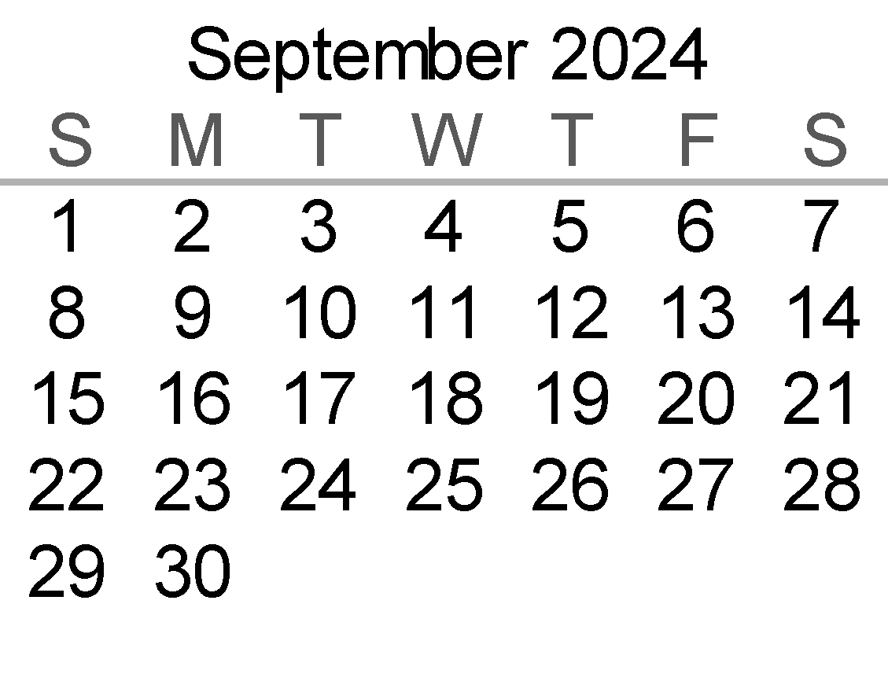
 |  |  |  |  | Notes: Calculations based on Vakya Panchangam
 |  |  |  |  | Maha Ganapati Temple of Arizona
 |  |  |  |  | Addr: 51293 W. Teel Road, Maricopa City, AZ 85139
 |  |  |  |  | Phone: (520)568-9881
 |  |  |  |  | Website: www.ganapati.org
 |  |  |  |  | www.facebook.com/Mahaganapati

SEPTEMBER
Samvatsara: Shaka 1946 Krodhi Varusham
Solar month: Avani-Purattasi /Simha-Kanya
Lunar month: Shravana - Bhadhrapada
SEPTEMBER 2024
Sunday | Monday | Tuesday | Wednesday | Thursday | Friday | Saturday
1 | 2 Labor Day | 3 Bhadrapada Masam | 4 | 5 | 6 | 7
Aslesha until 10:06 AM | Magha until 12:00 PM | PurvaPhalguni | UttaraPhalguni | Hasta until 07:25 PM | Chitra until 09:57 PM | Swati
 |  | until 02:16 PM | until 04:47 PM |  |  | until 12:16 AM Sun
Chaturdashi | Amavasya until 05:35 PM |  |  | Tritiya until 11:23 PM | Chaturthi until 01:20 AM Sat | Panchami
until 04:12 PM |  | Pratipada until 07:20 PM | Dwitiya until 09:19 PM | Sama Veda Upakarma |  | until 03:02 AM Sun
 | ● |  |  | Ganesh Chaturthi Brahmotsavam | Ganesh Chaturthi Day | Ganesh Chaturthi Grand Celebrations
8 | 9 | 10 | 11 | 12 | 13 | 14
Visakha until 02:13 AM Mon | Anuradha until 03:44 AM Tue | Jyeshta until 04:46 AM Wed | Mula until 05:18 AM Thu | PurvaAshada | UttaraAshada | Shravana
 |  |  |  | until 05:20 AM Fri | until 04:57 AM Sat | until 04:09 AM Sun
Sashti until 04:21 AM Mon | Saptami until 05:13 AM Tue | Ashtami until 05:34 AM Wed | Navami |  | Ekadashi | Dwadashi
Sashti |  |  | until 05:25 AM Thu | Dashami until 04:46 AM Fri | until 03:40 AM Sat | until 02:11 AM Sun
Ganesh Chaturthi Brahmotsavam | Ganesh Chaturthi Brahmotsavam | Ganesh Chaturthi Brahmotsavam | Ganesh Chaturthi Brahmotsavam | Ganesh Chaturthi Brahmotsavam | Ganesh Chaturthi Brahmotsavam | Ganesh Chaturthi Visarjan/Nimajjan
15 | 16 | 17 Purattasi Masam O | 18 | 19 | 20 | 21
Dhanishta | Shatabhisha | PurvaBhadrapada | UttaraBhadrapada | Revati until 08:48 PM | Ashwini until 07:12 PM | Bharani until 05:45 PM
until 03:02 AM Mon | until 01:40 AM Tue | until 12:07 AM Wed | until 10:28 PM
 |  |  |  | Dwitiya until 03:08 PM | Tritiya until 12:45 PM | Chaturthi until 10:30 AM
Trayodashi | Chaturdashi until 10:15 PM | Purnima until 07:58 PM | Pratipada until 05:34 PM
until 12:21 AM Mon Pradosham |  | Satyanarayana Puja |  |  | Sankatahara Chaturthi
22 | 23 | 24 | 25 | 26 | 27 | 28
Krithika until 04:33 PM | Rohini until 03:37 PM | Mrigasirsha | Ardra until 02:57 PM | Punarvasu until 03:18 PM | Pushya until 04:09 PM | Aslesha until 05:30 PM
 |  | until 03:05 PM
Panchami until 08:27 AM | Sashti until 06:41 AM |  | Navami until 03:42 AM Thu | Dashami until 03:39 AM Fri | Ekadashi | Dwadashi
 | Saptami until 05:16 AM Tue | Ashtami until 04:15 AM Wed |  |  | until 04:07 AM Sat | until 05:06 AM Sun
 |  |  |  |  |  | Sri Vari Udayasthamana Seva
29 | 30
Magha until 07:18 PM | PurvaPhalguni
 | until 09:30 PM
Trayodashi
until Full Night | Trayodashi until 06:31 AM
Pradosham
September - Temple Event Highlights
Ganesh Chaturthi 10 day celebrations
Sri Vari Udayasthamana Seva
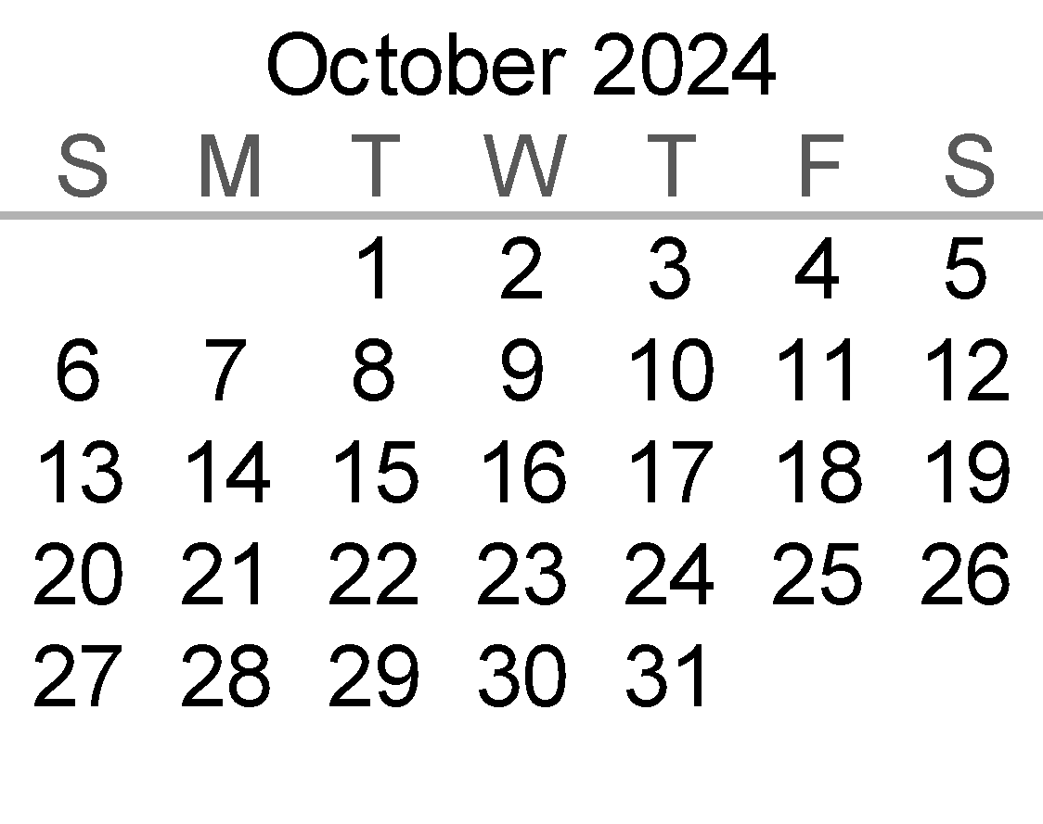
 |  |  |  |  | Notes: Calculations based on Vakya Panchangam
 |  |  |  |  | Maha Ganapati Temple of Arizona
 |  |  |  |  | Addr: 51293 W. Teel Road, Maricopa City, AZ 85139
 |  |  |  |  | Phone: (520)568-9881
 |  |  |  |  | Website: www.ganapati.org
 |  |  |  |  | www.facebook.com/Mahaganapati

OCTOBER
Samvatsara: Shaka 1946 Krodhi Varusham
Solar month: Purattasi-Aippasi/Kanya-Tula
Lunar month: Bhadhrapada - Asvayujam
OCTOBER 2024
Sunday | Monday | Tuesday | Wednesday | Thursday | Friday | Saturday
 |  | 1 | 2 Mahalaya Amavasya | 3 Asvayuja Masam | 4 | 5
 |  | UttaraPhalguni | Hasta until 02:35 AM Thu | Chitra until 05:10 AM Fri | Swati until Full Night | Swati until 07:32 AM
 |  | until 11:58 PM
 |  |  | Amavasya until 10:19 AM | Pratipada until 12:25 PM | Dwitiya until 02:25 PM | Tritiya until 04:09 PM
 |  | Chaturdashi until 08:18 AM
 |  |  | ● | Navaratri Begins Durga Abhishekam | Durga Abhishekam | Durga Abhishekam Chandi Homam
6 | 7 | 8 | 9 | 10 | 11 | 12
Visakha until 09:35 AM | Anuradha until 11:13 AM | Jyeshta until 12:22 PM | Mula until 01:00 PM | PurvaAshada until 01:10 PM | UttaraAshada | Shravana until 12:09 PM
 |  |  |  |  | until 12:52 PM
Chaturthi until 05:30 PM | Panchami until 06:25 PM | Sashti until 06:48 PM | Saptami until 06:41 PM | Ashtami until 06:04 PM | Navami until 05:01 PM | Dashami until 03:33 PM
 |  |  |  |  | Durga Abhishekam | Durga Abhishekam
Durga Abhishekam | Durga Abhishekam | Durga Abhishekam Sashti | Durga Abhishekam | Durga Abhishekam | Saraswati Puja Akshara Abhyasam | Vijaya Dasami Akshara Abhyasam
13 | 14 | 15 | 16 O | 17 | 18 Aippasi Masam | 19
Dhanishta until 11:06 AM | Shatabhisha until 09:47 AM | PurvaBhadrapada | UttaraBhadrapada | Ashwini until 03:21 AM Fri | Bharani until 01:51 AM Sat | Krithika
 |  | until 08:16 AM | until 06:38 AM |  |  | until 12:35 AM Sun
Ekadashi until 01:44 PM | Dwadashi until 11:40 AM |  | Revati until 04:58 AM Thu | Pratipada | Dwitiya until 12:04 AM Sat
 |  | Trayodashi until 09:25 AM | Chaturdashi until 07:03 AM | until 02:17 AM Fri |  | Tritiya until 10:03 PM
 | Pradosham |  | Purnima until 04:38 AM Thu Satyanarayana Puja
20 | 21 | 22 | 23 | 24 | 25 | 26
Rohini until 11:35 PM | Mrigasirsha | Ardra until 10:44 PM | Punarvasu until 10:58 PM | Pushya until 11:42 PM | Aslesha until 12:56 AM Sat | Magha until 02:39 AM Sun
 | until 10:57 PM
Chaturthi until 08:19 PM |  | Sashti until 05:57 PM | Saptami until 05:27 PM | Ashtami until 05:26 PM | Navami until 05:57 PM | Dashami until 06:59 PM
Sankatahara Chaturthi | Panchami until 06:55 PM

27 | 28 | 29 | 30 Deepavali | 31
PurvaPhalguni | UttaraPhalguni | UttaraPhalguni | Hasta until 09:46 AM | Chitra until 12:22 PM
until 04:45 AM Mon | until Full Night | until 07:10 AM
 |  |  | Chaturdashi | Amavasya
Ekadashi until 08:26 PM | Dwadashi until 10:16 PM | Trayodashi | until 02:29 AM Thu | until 04:30 AM Fri
 |  | until 12:20 AM Wed Pradosham |  | ●
October - Temple Event Highlights
Navaratri 9 day celebrations
Chandi Homam
Saraswati Puja Akshara Abhyasam
Vijaya Dasami Akshara Abhyasam
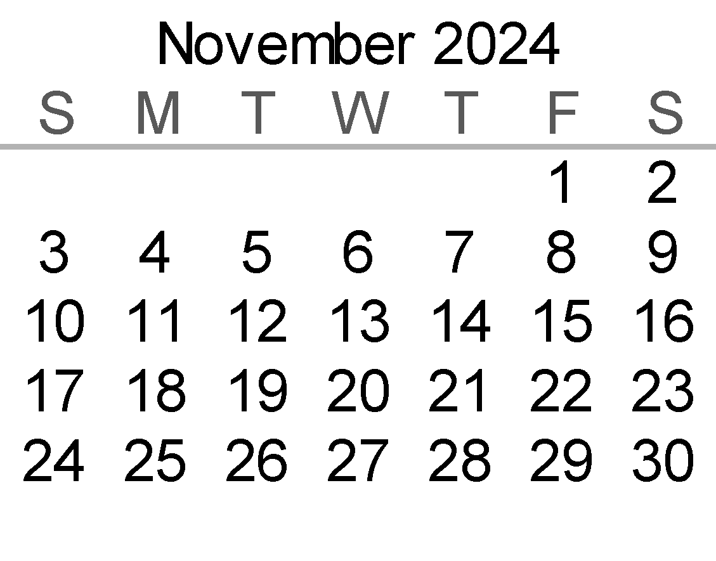
 |  |  |  |  | Notes: Calculations based on Vakya Panchangam
 |  |  |  |  | Maha Ganapati Temple of Arizona
 |  |  |  |  | Addr: 51293 W. Teel Road, Maricopa City, AZ 85139
 |  |  |  |  | Phone: (520)568-9881
 |  |  |  |  | Website: www.ganapati.org
 |  |  |  |  | www.facebook.com/Mahaganapati

NOVEMBER
Samvatsara: Shaka 1946 Krodhi Varusham
Solar month: Aippasi-Karthigai/Tula-Vrscika
Lunar month: Karthika
NOVEMBER 2024
Sunday | Monday | Tuesday | Wednesday | Thursday | Friday | Saturday
 |  |  |  |  | 1 | 2 Karthika Masam
 |  |  |  |  | Swati until 02:48 PM | Visakha until 04:56 PM

 |  |  |  |  | Pratipada | Dwitiya until Full Night
 |  |  |  |  | until 06:16 AM Sat
 |  |  |  |  |  | Grand Deepavali Celebrations
3 | 4 | 5 | 6 Soora Samharam | 7 | 8 | 9
Anuradha until 06:40 PM | Jyeshta until 07:56 PM | Mula until 08:41 PM | PurvaAshada until 08:57 PM | UttaraAshada | Shravana until 08:08 PM | Dhanishta until 07:10 PM
 |  |  |  | until 08:45 PM
Dwitiya until 07:39 AM | Tritiya until 08:34 AM | Chaturthi until 08:59 AM | Panchami until 08:52 AM |  | Saptami until 07:13 AM | Navami until 03:59 AM Sun
 |  |  |  | Sashti until 08:16 AM | Ashtami until 05:46 AM Sat | Skandha Sashti
 | Nagula Chavithi |  | Skandha Sashti |  |  | Soora Samharam Celebrations
10 | 11 Veterans Day | 12 | 13 | 14 | 15 O | 16 Karthigai Masam
Shatabhisha until 05:54 PM | PurvaBhadrapada | UttaraBhadrapada | Revati until 01:08 PM | Ashwini until 11:30 AM | Bharani until 09:58 AM | Krithika until 08:38 AM
 | until 04:25 PM | until 02:48 PM
Dashami |  |  | Trayodashi until 06:58 PM | Chaturdashi until 04:38 PM | Purnima until 02:27 PM | Pratipada until 12:28 PM
until 01:56 AM Mon | Ekadashi until 11:42 PM | Dwadashi until 09:21 PM |  |  |  | Siva Annabhishekam
 |  |  | Pradosham |  |  | Samuhika Satyanarayana Vratha & Tulasi Kota Puja
17 | 18 | 19 | 20 | 21 | 22 | 23
Rohini until 07:35 AM | Ardra until 06:31 AM Tue | Punarvasu | Pushya until Full Night | Pushya until 07:16 AM | Aslesha until 08:24 AM | Magha until 10:00 AM
Mrigasirsha |  | until 06:40 AM Wed
until 06:51 AM Mon | Tritiya until 09:26 AM |  | Panchami until 08:04 AM | Sashti until 08:07 AM | Saptami until 08:41 AM | Ashtami until 09:46 AM
Dwitiya until 10:47 AM |  | Chaturthi until 08:31 AM
 | Sankatahara Chaturthi Special Siva Abhishekam |  |  |  |  | Ayyappa Mandala Puja
24 | 25 | 26 | 27 | 28 Thanksgiving Day | 29 | 30
PurvaPhalguni | UttaraPhalguni | Hasta until 04:57 PM | Chitra until 07:34 PM | Swati until 10:03 PM | Visakha until 12:16 AM Sat | Anuradha
until 12:01 PM | until 02:23 PM |  |  |  |  | until 02:06 AM Sun
 |  | Ekadashi until 03:17 PM | Dwadashi until 05:27 PM | Trayodashi until 07:30 PM | Chaturdashi until 09:16 PM
Navami until 11:18 AM | Dashami until 01:10 PM |  |  |  |  | Amavasya until 10:39 PM
 | Special Siva Abhishekam |  |  | Pradosham |  | ●
November - Temple Event Highlights
Grand Deepavali Celebrations
Soora Samharam Celebrations
Siva Annabhishekam
Karthika Pournami Satyanarayana Puja
Ayyappa Mandala Puja
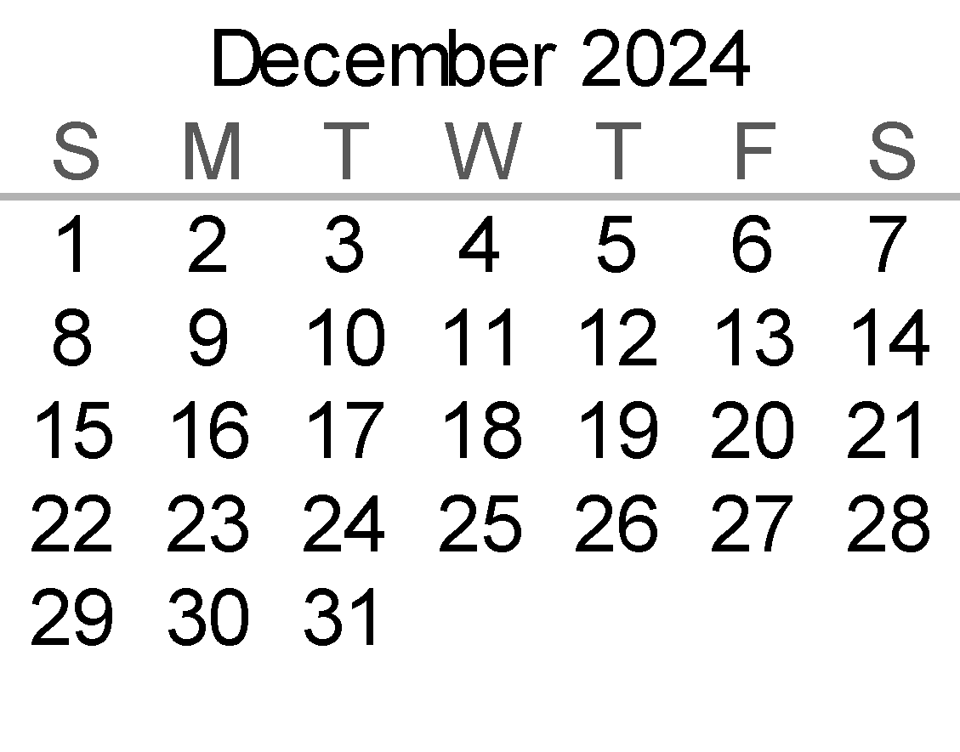
 |  |  |  |  | Notes: Calculations based on Vakya Panchangam
 |  |  |  |  | Maha Ganapati Temple of Arizona
 |  |  |  |  | Addr: 51293 W. Teel Road, Maricopa City, AZ 85139
 |  |  |  |  | Phone: (520)568-9881
 |  |  |  |  | Website: www.ganapati.org
 |  |  |  |  | www.facebook.com/Mahaganapati

DECEMBER
Samvatsara: Shaka 1946 Krodhi Varusham
Solar month: Karthigai-Margazhi/Vrscika-Dhanur
Lunar month: Margasira - Pushya
DECEMBER 2024
Sunday | Monday | Tuesday | Wednesday | Thursday | Friday | Saturday
1 Margasira Masam | 2 | 3 | 4 | 5 | 6 | 7
Jyeshta until 03:28 AM Mon | Mula until 04:21 AM Tue | PurvaAshada | UttaraAshada | Shravana | Dhanishta | Shatabhisha
 |  | until 04:43 AM Wed | until 04:37 AM Thu | until 04:06 AM Fri | until 03:12 AM Sat | until 02:00 AM Sun
Pratipada until 11:34 PM | Dwitiya until 11:58 PM
 |  | Tritiya until 11:51 PM | Chaturthi until 11:14 PM | Panchami until 10:10 PM | Sashti until 08:43 PM | Saptami until 06:56 PM
 | Special Siva Abhishekam |  |  |  | Sashti
8 | 9 | 10 | 11 | 12 | 13 Karthigai Deepam | 14 O
PurvaBhadrapada | UttaraBhadrapada | Revati until 09:18 PM | Ashwini until 07:39 PM | Bharani until 06:05 PM | Krithika until 04:42 PM | Rohini until 03:35 PM
until 12:34 AM Mon | until 10:58 PM
 |  | Dashami until 12:19 PM | Ekadashi until 09:57 AM | Dwadashi until 07:39 AM | Chaturdashi | Purnima until 01:54 AM Sun
Ashtami until 04:53 PM | Navami until 02:39 PM |  |  | Trayodashi | until 03:33 AM Sat | Satyanarayana Puja
 | Special Siva Abhishekam |  |  | until 05:29 AM Fri Pradosham |  | Karthigai Deepam Celebrations
15 | 16 Margazhi Masam | 17 | 18 | 19 | 20 | 21
Mrigasirsha | Ardra until 02:21 PM | Punarvasu until 02:22 PM | Pushya until 02:53 PM | Aslesha until 03:53 PM | Magha until 05:23 PM | PurvaPhalguni
until 02:46 PM |  |  |  |  |  | until 07:19 PM
 | Dwitiya until 11:44 PM | Tritiya until 11:20 PM | Chaturthi until 11:27 PM | Panchami | Sashti until 01:14 AM Sat
Pratipada |  |  |  | until 12:06 AM Fri |  | Saptami until
until 12:36 AM Mon |  |  | Sankatahara Chaturthi |  |  | 02:48 AM Sun
22 | 23 | 24 Christmas Eve | 25 Christmas | 26 | 27 | 28
UttaraPhalguni | Hasta until 12:08 AM Tue | Chitra until 02:46 AM Wed | Swati until 05:17 AM Thu | Visakha until Full Night | Visakha until 07:34 AM | Anuradha until 09:30 AM
until 09:36 PM
 | Navami until 06:52 AM Tue | Dashami until Full Night | Dashami until 09:03 AM | Ekadashi until 11:05 AM | Dwadashi until 12:51 PM | Trayodashi until 02:12 PM
Ashtami until 04:44 AM Mon
 |  |  |  |  | Pradosham
29 | 30 Hanumath Jayanti | 31 Paushya Masam
Jyeshta until 10:59 AM | Mula until 11:58 AM | PurvaAshada until 12:28 PM

Chaturdashi until 03:05 PM | Amavasya until 03:27 PM | Pratipada until 03:18 PM

December - Temple Event Highlights
Karthigai Deepam Celebrations
Hanumath Jayanti Celebrations

Hanumath Jayanti Celebrations | ●
 |  |  |  |  | Notes: Calculations based on Vakya Panchangam
 |  |  |  |  | Maha Ganapati Temple of Arizona
 |  |  |  |  | Addr: 51293 W. Teel Road, Maricopa City, AZ 85139
 |  |  |  |  | Phone: (520)568-9881
 |  |  |  |  | Website: www.ganapati.org
 |  |  |  |  | www.facebook.com/Mahaganapati

